시트1
Project Name: | NextLevel Research Conference Management System
Test CaseID | T2.1
Test Case Description | Author submit papers to a conference
Created by: | Yechan Kim
Date of testing: | 20th October 2022
Actor: | Author
Pre-condition: | Logged in as an Author.

Test Step | Step Details | Test Data | Expected Results | Actual Results | Pass/Fail/Not executed/Suspended | Screenshots, if possible | Remarks
T2.1 - 1 | Author clicks "Submit Paper" button |  | System will direct user to the submit paper page. The user should be directed to the submit paper page | System will direct user to the submit paper page. | Pass | 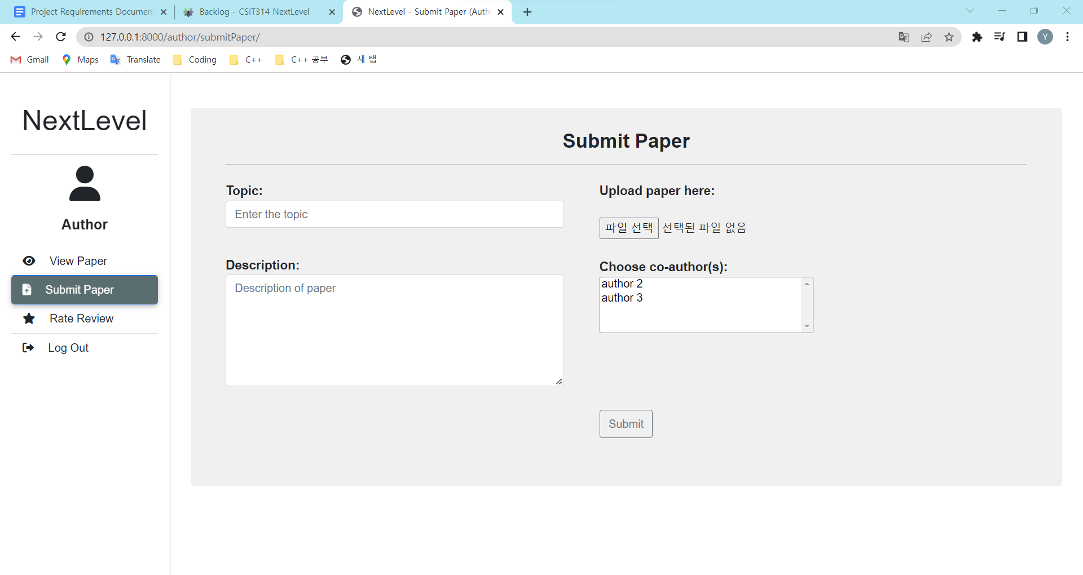
T2.1 - 2 | Author types in topic, description, upload file and choose author | user(id), author(users_ptr_id), paper(topic, description, fileName, uploaded_by), paper_authors(paper_id, author_id), | The typed details should appear in the text box The user should be able to view their key-ed in details. | The typed details should appear in the text box | Pass | 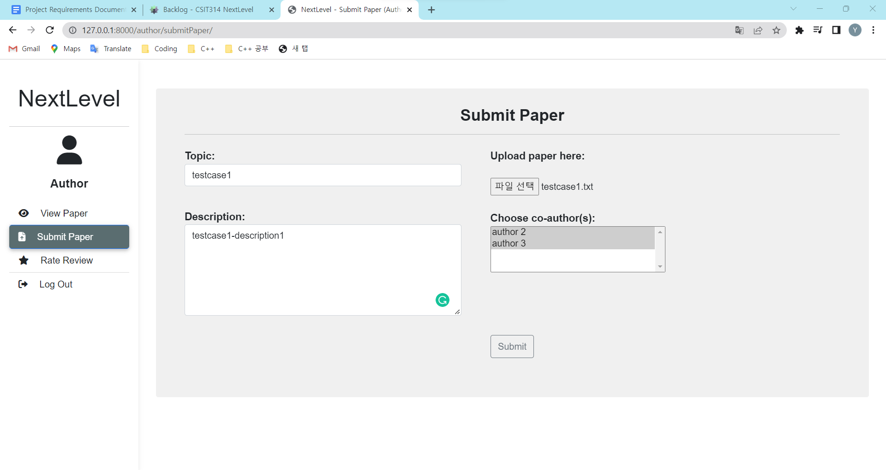
T2.1 - 2 | System admin clicks "Submit" button |  | The system will upload the details with new data and direct user to view paper page The user should be redirected to the view paper page and be able to see their newly created paper together with a success message. | The system will upload the details with new data and direct user to view paper page | Pass | 